Invoice
 | Lizpa Landscaping, Inc.

 | Bill To: | Oakland Village C/O Sentry Management Inc. | Phone: | 407-788-6700 ext 51209 | Invoice #: | 1776
 | Address: | 2180 W. State Rd. 434 Suite 5000 Longwood, FL 32779 | Fax: | 407-788-7488
 | Service Address: | Oakland Village 515 Ramsdell Ave Altamonte Springs, FL 32714 | Email: | canderson@sentrymgt.com | Invoice Date: | 2025-11-20

 | Qty | Description |  |  |  | Price

 |  | 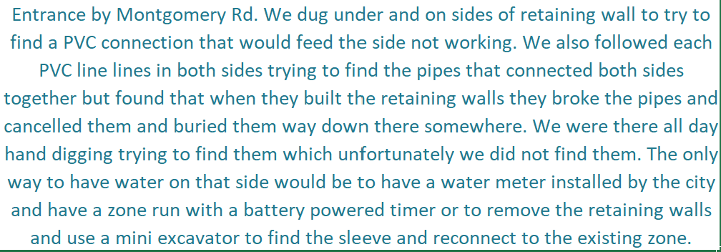

 |  | Labor |  |  |  | $360.00
 |  | Labor for helper |  |  |  | $280.00

 |  | Labor |  |  |  | $90.00

 | Make all checks payable to Lizpa Landscaping, Inc.
 | Thank you for your business!! |  |  |  | TOTAL | $730.00

